Main
Module | WSE
Module 7 | WSE7.1
 | WSE7.2

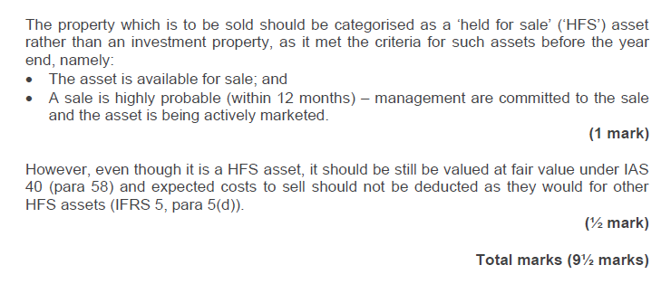

Module | WSE
Module 7

Module 7
Main

 | Class Notes
 | Nonc current assets held for sale and discontinued operations
 | IFRS 5
 | read through 7.3 presentation and disclosure for homework

 | In order to be classified as held for sale, a number of criteria must be met:
 | · The asset must be available for sale in its present condition
 | · A sale must be highly probable
 | · The appropriate level of management must be committed to selling the asset
 | · The asset must be actively marketed at a reasonable price compared to fair value
 | · A sale should be expected within 12 months of classification
 | · Significant changes to the sales plan must be unlikely

 | An extension beyond the 12 month period is possible if a delay is due to circumstances beyond the entity’s control and the entity remains committed to its plan to sell the asset.

 | Date criteria are satisfied | Accounting treatment
 | Criteria met before the year end date | Accounted for and disclosed as held for sale
 | Criteria are met after the year-end date | The asset or disposal group should not be classified as held for sale
 | Criteria are met after the year and date but before financial statements are authorised | Certain disclosures are required (see section 3.2 in notes) Not HFS category.

 | Activity 1
 | Stewart
 | YE | 2023-12-31

 | cost |  | 120,000,000
 | AD |  | 45,000,000
 | depr charge for year | 11/180 | 7,333,333 | <<<<remember the depr charge from date held for sale and year end date.
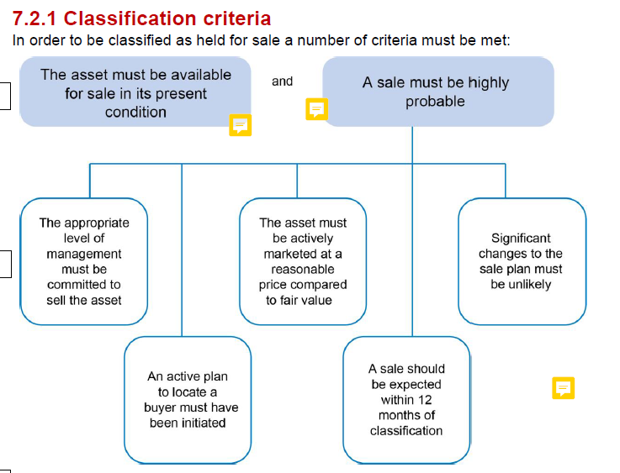
 | carrying amounr | 2023-01-01 | 67,666,667
 | depr |  | 15 | years SL
 | FV | 2023-12-01 | 65,000,000
 | selling costs | 2023-12-01 | -2,100,000
 |  |  | 62,900,000

 | held at lower of NBV and FVLCTS |  | 62,900,000

 | dr - SPL impairment loss |  |  | 4,766,667
 | dr - NCA held for sale |  |  | 62,900,000
 | dr - Fleet AD |  |  | 52,333,333
 |  | cr - Fleet cost |  |  | 120,000,000
 | being classification to NCA assets held for sale.

 | 2024-12-31
 | FV |  | 69,000,000
 | Selling cost |  | -2,200,000
 | FVLCTS | 2024-12-31 | 66,800,000
 | FVLCTS | 2023-12-31 | 62,900,000
 | reverse impairment |  | 3,900,000

 | dr - NCAHFS |  |  | 3,900,000 |  | <<<reversal goes aginst NCAHFS
 |  | cr - SPL reversal of impairment |  |  | 3,900,000
 | being reversal of impairment loss on NCAHFS

 | 2025-03-31
 | FV |  | 71,000,000
 | LCTS |  | -2,400,000
 | FVLCTS | 2025-03-31 | 68,600,000
 | CA |  | 66,800,000
 | Gain on disposal |  | 1,800,000

 | dr - Bank |  |  | 68,600,000
 |  | cr - NCAHFS |  |  | 66,800,000
 |  | cr - SPL gain on disposal |  |  | 1,800,000
 | being gain on disposal of NCAHFS

WSE7.1
Main
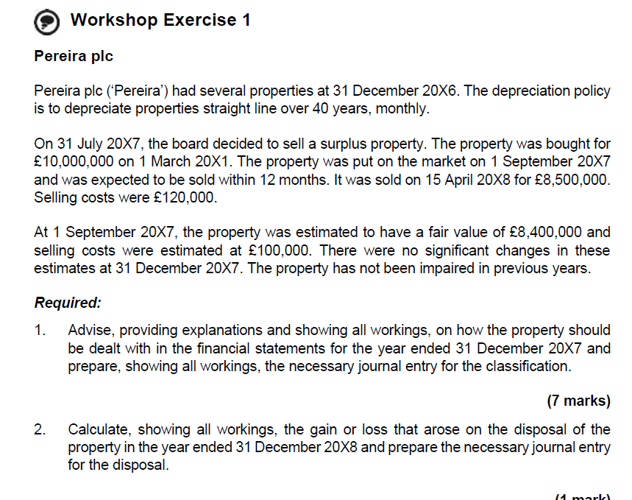

 | Pereia plc | Nailed the journals but crucially there are marks in these questions for the chat around how and why to clasffiy. Stock sentences which need to be included.
 |  | Have included these stock sentences in italics
 | YE | 2027-12-31

 | Policy is straight line 40 years |  | 480 | months

 | Requirement 1
 | the sale of the property qualified as highly probable on 01/09/2028 as:
 | >on 31/07/2028 the board (committed) to sell the asser
 | >on 01/09/2027 the property was actively marketed
 | >the property was sold at a reasonable price, not significantly different to its carrying amount
 | >the sale was made on 15/04/2028, within 12 months of 01/09/2028 (as expected)

 | The asset shold be depreciated up to 01/09/2028 to give th ecarrying amount of £8,375k, at which point it is classified as a NCAHFS, spereatey from PPE
 | On classification as a NCAHFS at of £8,300k, and impairment loss of £75k is recognised in profit and loss.

 | There are no significant change in FV to 31/12/2028 so there is no reversal of original impairment nor is there further impairment.

 | 2026-12-31

 | cost | 2021-03-01 | 10,000,000
 | AD | 2027-09-01 | 1,625,000
 |  | 78
 | NBV | 2027-09-01 | 8,375,000
 | FV | 2027-09-01 | 8,400,000
 | LCTS | 2027-09-01 | -100,000
 | FVLCTS | 2027-09-01 | 8,300,000

 | lower fo CA and FVLCTS |  | 8,300,000
 | impairment to recognise |  | 75,000

 | dr - SPL impairment loss |  |  | 75,000
 | dr - NCAHFS |  |  | 8,300,000
 | dr - Property AD |  |  | 1,625,000
 |  | cr - Property cost |  |  | 10,000,000
 | being impairment loss on property transferred to non-current assets classified as held for sale

 | Sale
 | proceeds | 2028-04-15 | 8,500,000
 | selling cost |  | -120,000
 | FVLCTS | 2028-04-15 | 8,380,000 | dr - bank | <<<<<this is a good habit to get into as these appear on the tutor answer templates.
 | FVLCTS | 2027-09-01 | 8,300,000 | cr - NCAHFS
 | gain on sale |  | 80,000 | cr - SPL gain on sale

 | dr - bank |  |  | 8,380,000
 |  | cr - SPL gain on sale |  |  | 80,000
 |  | cr - NCAHFS |  |  | 8,300,000
 | being gain on disposal of non-current assets classified as held for sale

 | Y/E 31 Dec 20x7
 | The sale of the property qualified as highly probable on 1 September 20X7 as:
 | • on 31 July 20X7 the board decided (committed) to sell the asset;
 | • on 1 September 20X7 the property was actively marketed;
 | • the property was sold at a reasonable price, not significantly different to its carrying amount; and
 | • the sale was made on 15 April 20X8, within 12 months of 1 September 20X7 (as
 | expected).

 | Cost (Bought 1 March 20x1) |  | 10,000
 | Accum Dep'n |  | 1,625 | 10,000 x 78/480
 | Carrying amount |  | 8,375
 | FVLCTS |  | 8,300 | 8,400-100
 | Impairment Loss |  | 75

 | Dr Held for sale | 8,300
 | Dr Accum Dep'n PPE | 1,625
 | Dr P&L Impairment Loss | 75
 | Cr PPE Cost |  | 10,000
 | Being reclassficiation to NCA held for sale

 | There is no significant change in fair value to 31 December 20X7 and so there is no reversal of original impairment nor is there further impairment.

 | Proceeds | 8,500
 | Selling Costs | 120
 | Net Selling Price | 8,380 | <Less selling costs
 | Carrying Amount | 8,300
 | Gain on disposal | 80

 | Dr Bank | 8,380
 | Cr Gain on Disposal P&L |  | 80
 | Cr Held for sale |  | 8,300
 | Being gain on disposal of held for sale asset

WSE7.2
Main
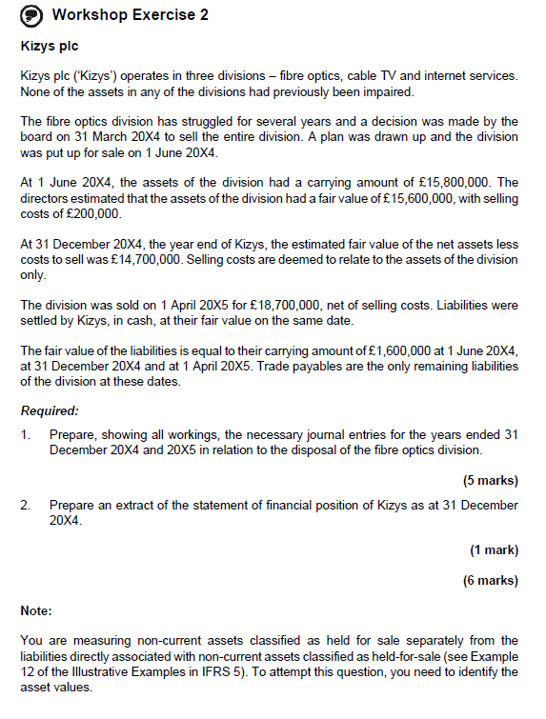

 | Kizys plc

 | YE | 2024-12-31

 | Fibre optics
 | Assets held for sale question
 | decision made by the board to sell on 31/3/24

 |  |  | £'000
 | CA | 2024-06-01 | 15,800
 | FV | 2024-06-01 | 15,600
 | LCOD | 2024-06-01 | -200
 | FVLCTS | 2024-06-01 | 15,400
 | FVLCTS | 2024-12-31 | 14,700
 | FVLCTS | 2025-04-01 | 18,700

 | as at 31/12/24
 | no depreciation charge from 01/06 as asset move to held for sale
 | this is because the board has decided to sell
 | it has been marketed
 | it sold within 12m

 | Classfication | 2024-06-01

 | dr - SPL impeirment |  |  | 400
 | dr - NCAHFS |  |  | 15,400
 |  | cr - PPE cost |  |  | 15,800
 | being asset classfied as NCAHFS

 | Dr - Trade payables |  |  | 1600
 |  | cr - Liabilities directly associated with non-current assets classified as held for sale |  |  | 1600
 | being settlement of outstanding fibre optic liabilities

 | Remeasurement | 2024-12-31

 | CA | 2024-06-01 | 15,400
 | FV net asset LCTS | 2024-12-31 | 14,700
 | FV liabilities | 2024-12-31 | 1,600
 | FV assets LCTS | 2024-12-31 | 16,300
 | Increase in value | 2024-12-31 | 900
 | reversal of impairment loss | 2024-12-31 | 400 | <<can only increase to the prior carry / cumulative total of all previous impairments

 | dr - NCAHFS |  |  | 400
 |  | cr - SPL reversal of impairment loss at year end |  |  | 400

 | Sale | 2025-04-01

 | dr - bank |  |  | 18,700
 |  | cr - NCAHFS |  |  | 15,800
 |  | cr - SPL gain on sale |  |  | 2,900
 | being sale of NCAHFS

 | dr - Liabilities directly associated with non-current assets classified as held for sale |  |  | 1600
 |  | cr - bank |  |  | 1600
 | being settlement of liabilities directly associated with non-current assets classified as held for sale

 | Statement of financial position
 | 2024-12-31
 | Current assets
 | NCAHFS |  |  | 15,800

 | Current liabilities
 | Liabilities directly associated with non-current assets classified as held for sale |  |  | 1600

 | Y/E 31 Dec 20X4 and 20X5

 | The sale of the property qualified as highly probable on 1 June 20x4 as:
 | - The board decided on 31 March 20x4 to sell the division
 | - A plan was drawn up
 | - Division was put up for sale
 | • the property was sold at a reasonable price, not significantly different to its carrying amount; and
 | • the sale was made on 1 April 20x5, within 12 months of 1 June 20x4

 | Carrying amount | 15,800
 | FVLCTS | 15,400 | 15,600-200
 | Impairment Loss | 400

 | Dr Held for sale | 15,400
 | Dr P&L Impairment Loss | 400
 | Cr PPE Cost |  | 15,800
 | Being reclassficiation to NCA held for sale

 | Dr Trade Payables | 1,600
 | Cr Liabilitiess - Held for sale |  | 1,600
 | being liabilities of the division transferred to liabilities directly associated with non-current assets classified as held for sale

 | Revaluation at 31 Dec 20x4
 | Carrying amount at 1 June 20x4 | 15,400
 | Fair value of assets less costs to sell | 16,300 | 14,700+1,600 (liabilities)
 | Increase in value | 900
 | Reveral of impairment loss | 400

 | Dr Held for sale | 400
 | Cr P&L Impairment loss |  | 400
 | being reversal of impairment loss at year end

 | Sale at 1 April 20X5
 | Net selling price | 18,700
 | Carrying Amount after reversal of impairment | 15,900 | 16,300-400
 | Gain on disposal | 2,800

 | Dr Bank | 18,700
 | Cr Gain on disposal P&L |  | 2,800
 | Cr Held for sale |  | 15,900
 | being gain on disposal of non-current assets classified as held for sale

 | Dr Liabilities - NCA held for sale | 1,600
 | Cr Bank |  | 1,600

 | Requirement 2 - SOFP as at 31 Dec 20x4
 | Non-current assets
 | Assets held for sale | 15,800

 | Current liabilities
 | Liabilities - NCA held for sale | 1,600

WSE7.3
Main
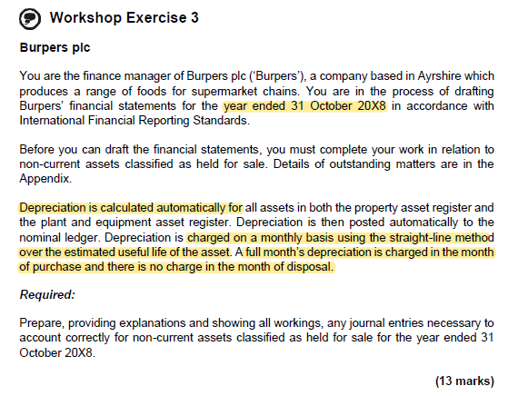

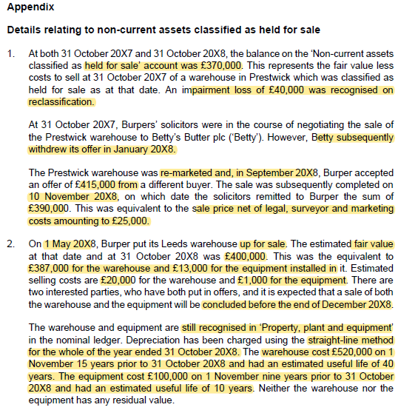

 | Prestwick Warehouse
 | Burper plc (‘Burper’) can still treat the Prestwick warehouse as held for sale as the failure to see the asset within one year was due to circumstances not in Burper’s control.

 | Carrying amount at 31 Oct 2018 | 370
 | FVLCTS | 390 | <Sales price
 | Reversal of existing impairment | 20

 | The warehouse should be remeasured to its fair value less costs to sell (‘FVLCTS’) at 31 October 20X8 which gives rise to a £20k reversal of a previous impairment.

 | Dr - NCA Held for sale | 20
 | Cr - P&L Reversal of impairment |  | 20

 | Leeds Warehouse
 | The sale of the property was held as available for sale and highly probable as:
 | - Actively marketed on 1 May 20x8
 | - A sale is expected to be made within 12 months before December 20x8
 | - the property is to be sold at a reasonable price compared to fair value

 | The assets should be depreciated up to 1 May 20X8, at which point they are classified as non-current assets held for sale, separately from property, plant and equipment.
 | On classification as a non-current asset held for sale, the assets must be classified at the lower of carrying amount and FVLCTS, leading to an impairment loss on the equipment to be recognised in profit or loss.
 | Depreciation charged automatically between 1 May 20X8 and 31 October 20X8 must be removed.
 | There is no change in fair value to 31 October 20X8 and so there is no reversal of original impairment nor is there further impairment.

 | Cost | 520
 | Accum dep'n - warehouse | 189 | 520 x 174/(40x12)
 | Carrying amount 1 May 20x8 | 332
 | FVLCTS | 367 | 387-20
 | Impairment loss | - | As FVLCTS is higher than CA, no impairment loss.

 | Dr Held for sale | 332
 | Dr Accum Dep'n PPE | 189
 | Cr PPE Cost |  | 520
 | being reclassification to non-current assets held for sale

 | Depreciation that needs removed as automatically charges
 | Cost | 520
 | Charge for period 1 May 20x8 to 31 Oct 20x8 | 7 | 520 x 6/480

 | Dr Accum Dep'n PPE | 7
 | Cr P&L Depreciation charge |  | 7
 | Being correction of automatic posting of depreciation

 | Equipment
 | Cost 1 Nov | 100
 | Accum dep'n - warehouse | 85 | 100 x (102/120)
 | Carrying amount 1 May 20x8 | 15
 | FVLCTS | 12 | 13-1
 | Impairment loss | 3

 | Dr NCA Held for sale | 12
 | Dr Accum Dep'n P&M | 85
 | Dr P&L - Impairment loss | 3
 | Cr - P&M Cost |  | 100
 | Being reclassification to non-current assets held for sale

 | Depreciation that needs removed as automatically charges
 | Charge for 1 May 20x8-31 Oct 20x8 | 5 | 100 x 6/120

 | Dr Accum Dep'n P&M | 5
 | Cr P&L Depreciation charge |  | 5
 | Being correction of automatic depreciation posting

